Domestic Water
20-Q061 331 COOPER

Domestic water flow | GPM | #N/A
Domestic water required boost pressure | PSI

Boundary Conditions (From Civil)

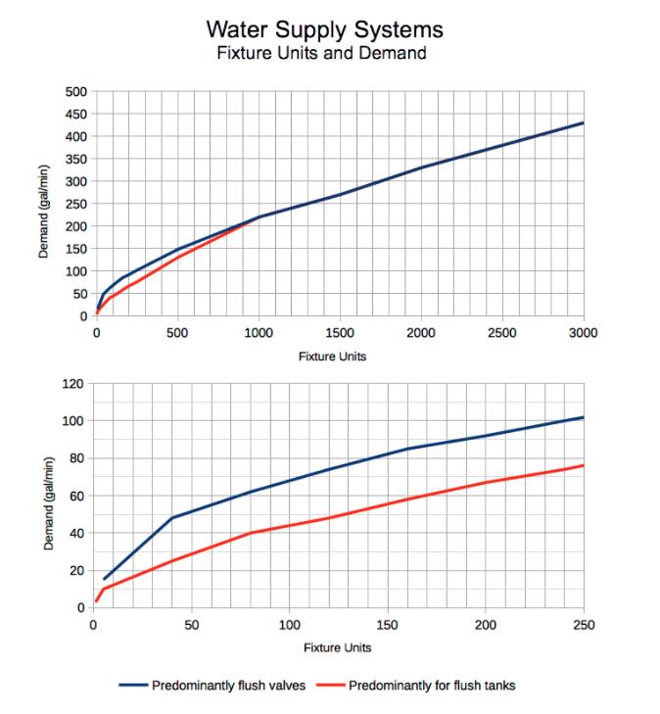
 |  |  |  |  |  |  |  | WSFU | GPM | GPM | Diam
DOMESTIC WATER DEMAND |  |  |  |  |  |  |  | 1 | 3 | 1.7 | 0.5
 |  |  |  |  |  |  |  | 2 | 5 | 3.5 | 0.75
PHASE 1 |  |  |  |  |  |  |  | 4 | 8 | 7 | 1
Plumbing Fixtures | Qty | DCW F.U. | DCW Total | DHW F.U. | DHW Total | Combined F.U. | Total | 8 | 12.8 | 14 | 1.25
Residential |  |  |  |  |  |  |  | 15 | 17.5 | 20 | 1.5
Full Washroom | 0 | 2.7 | 0.0 | 1.5 | 0.0 | 3.6 | 0 | 30 | 23.3 | 40 | 2
1/2 Washroom | 0 | 2.7 | 0.0 | 1.5 | 0.0 | 3.1 | 0 | 50 | 29.1 | 75 | 2.5
Kitchen Sink | 0 | 1.0 | 0.0 | 1.0 | 0.0 | 1.4 | 0 | 60 | 33 | 120 | 3
Dishwasher | 0 | 0.0 | 0.0 | 1.4 | 0.0 | 1.4 | 0 | 70 | 37 | 250 | 4
Clothes washer | 0 | 1.0 | 0.0 | 1.0 | 0.0 | 1.4 | 0 | 80 | 40 | 750 | 6
Total PODs |  |  | 0 |  | 0 |  | 0 | 90 | 42
Common |  |  |  |  |  |  |  | 100 | 45
Full Washroom | 0 | 2.7 | 0.0 | 1.5 | 0.0 | 3.6 | 0 | 110 | 47
1/2 Washroom | 0 | 2.7 | 0.0 | 1.5 | 0.0 | 3.1 | 0 | 120 | 49
Hand Sink | 0 | 1.5 | 0.0 | 1.5 | 0.0 | 3.0 | 0 | 130 | 51
Kitchen Sink | 0 | 3.0 | 0.0 | 3.0 | 0.0 | 4.0 | 0 | 140 | 53
Dishwasher | 0 | 0.0 | 0.0 | 1.4 | 0.0 | 1.4 | 0 | 150 | 55
Clothes washer | 0 | 3.0 | 0.0 | 3.0 | 0.0 | 4.0 | 0 | 160 | 58
Hose Bib 1/2" | 0 | 2.5 | 0.0 | 0.0 | 0.0 | 2.5 | 0 | 170 | 60
Hose Bib 3/4" | 0 | 3.0 | 0.0 | 0.0 | 0.0 | 3.0 | 0 | 180 | 62
Janitor Sink | 0 | 2.3 | 0.0 | 2.3 | 0.0 | 3.0 | 0 | 190 | 65
Urinal | 0 | 1.5 | 0.0 | 1.5 | 0.0 | 2.0 | 0 | 200 | 67
Total Common | - | - | 0.0 | - | 0.0 | - | 0 | 210 | 68.5
Maximum demand |  | FU | 0 | - | 0 | - | 0 | 1000 | 220
Diversity |  | 100% |  |  |  |  |  | 1250 | 250
Calculated demand |  | FU | 0 | - | 0 | - | 0 | 1500 | 270
Water supply flow |  | GPM | #N/A | - | #N/A | - | #N/A | 1750 | 300
Water supply pipe size |  | in | #N/A | - | #N/A | - | #N/A | 2000 | 330
 |  |  |  |  |  |  |  | 2250 | 350
 |  |  |  |  |  |  |  | 2500 | 380
 |  |  |  |  |  |  |  | 2750 | 400
 |  |  |  |  |  |  |  | 3000 | 430

Hydronics
Hydronics Pipulator - as per the OBC -

Required GPM | PIPE SIZE (NPS) | Notes:

